1. Title Page
Project Name: Instacart Grocery Basket Analysis
Date: 08/28/2024
Analyst Name: Dakota Smerglia

Contents:
Population Flow
Consistency checks
Wrangling steps
Column derivations
Visualizations
Recommendations

2. Population Flow
Title page

Population flow

Exclusion flag
Condition: max_order <
Obervations to be removed:
Final total count of order_products_all:

Orders_products_combined
Orders_products_merged
Orders_products_all

Total: 32,404,859
Total: 32,434,489
Total: 32,404,859

1.) The grey boxes in the first row of the population flow represent the original data sets as they were when you downloaded them. In the Total fields you need to add the count of the rows when you imported the data set into Jupyter.
2.) The second row of boxes (coloured) represents the data sets after you manipulated them, e.g., removed missing values and duplicates. In the Total fields you need to add the count of the rows after conducting these operations. This offers a visual oveview of how the data flows throughout the data consistency checks.
3.) The third row, where also the arrows are coloured, represents the merges you performed between the datasets. In the Total fields you need to add the count of the rows in the merged datasets, so that you end up with the final dataset (in the red box). Keep in mind the final dataset should be without exclusions (based on the exclusion flag).

3. Consistency checks
 |  |  |  | Title page
Consistency checks

Dataset | Missing values | Missing values treatment | Duplicates
orders | 206,209-days_since_prior_order | Left In Dataframe | No duplicates found
products | 16 missing values in Product_name column | deleted | 5 duplicates - deletd
orders_products_prior | 0 | No Missing Values | 0
customers | 0 | No Missing Values | 0

4. Wrangling steps
 |  |  |  | Title page
Wrangling steps

Columns dropped | Columns renamed | Columns' type changed | Comment/Reason
eval_set |  |  | Found to have irrelevant information for puporses
 | order_dow has been renamed to order_days_of_week |  | Found to be more understandable
 |  | order_id data type has been changed to string | Identifies order number and did not need to be integer type
 |  | user_id to string | Indentifies customer id and did not need to be integer type
 | First Name |  | Changed to First_Name for uniform column look of column labels. Also needing to be confirmed for okay deletion due to possible PII.
 | Surnam |  | Changed to Last_Name for uniform look of column label and easier understanding. Also needing to be confirmed for okay deletion due to possible PII.
 | STATE |  | Changed to "State" for uniform look of column labels
 | GENDER |  | Changed to "Sex" for uniform look of column labels
 | AGE |  | Changed to "Age" for uniform look of column labels
 | fam_status |  | Changed to "Marital_status" for uniform look of column labels
 | n_dependants |  | Found to be more understandable
_merge |  |  | Column was created and dropped on different occassions as errors were thrown when trying to combine dataframes when left in.
 | Unnamed: 0 |  | Changed when working with departments during visualizations for department_id column

5. Column derivations
 |  |  |  | Title page

Column derivations and aggregations

In this tab you should add tables below that the frequences of flags/label variables that you produced after deriving them. NB: don't do this for continuous variables, only for flags.
Dataset | New column | Column/s it was derived from | Conditions
ords_prods_merge | price_range_loc | pricing | df_ords_prods_merge.loc[df_ords_prods_merge['prices']<=5,'price_range_loc']='Low-range product' df_ords_prods_merge.loc[(df_ords_prods_merge['prices']>5)&(df_ords_prods_merge['prices']<=15),'price_range_loc']='Mid-range product 'df.loc[df['prices']>15,'price_range_loc']='High-range product'
ords_prods_merge | busiest_day | order_days_of_week | for value in df_ords_prods_merge["orders_day_of_week"]: if value==0: result.append("Busiest day") elif value==4: result.append("Least busy") else: result.append("Regularly busy")
ords_prods_merge | busiest_days | orders_day_of_week | for value in df_ords_prods_merge["order_days_of_week"]: if value == 0 or value ==1: result.append("Busiest days") elif value == 4 or value == 3: result.append("Slowest days") else: result.append("Regularly busy")
ords_prods_merge | busiest_period_of_day | order_hour_of_day | for-loop if-statement:for value in df_ords_prods_merge['order_hour_of_day']: if value in [10,11,14,15,13,12,16,9]: result_3.append("Most orders") elif value in [17,8,18,19,20,7,21,22]: result_3.append("Average orders") elif value in [23,6,0,1,5,2,4,3]: result_3.append("Fewest orders") else: result_3.append("No orders")
ords_prods_merge | max_order | max of user_id and order_number | ords_prods_merge['max_order']=ords_prods_merge.groupby(['user_id'])['order_number'].transform(np.max)
ords_prods_merge | loyalty_flag | max_order | df_ords_prods_merge.loc[df_ords_prods_merge['max_order']<=10,'loyalty_flag']='New Customer' df_ords_prods_merge.loc[(df_ords_prods_merge['max_order']>10)&(df_ords_prods_merge['max_order']<=40),'loyalty_flag']='Regular customer' df_ords_prods_merge.loc[df_ords_prods_merge['max_order']>40,'loyalty_flag']='Loyal customer'
ords_prods_merge | mean_price | mean of user_id and prices | ords_prods_merge['mean_prices'] = ords_prods_merge.groupby('user_id')['prices'].transform('mean')
ords_prods_merge | spending_flag | mean_price | ords_prods_merge.loc[ords_prods_merge['mean_prices'] < 10, 'spending_flag'] = 'Low spender' ords_prods_merge.loc[ords_prods_merge['mean_prices'] > 10, 'spending_flag'] = 'High spender' ords_prods_merge.loc[ords_prods_merge['mean_prices'] == 10, 'spending_flag'] = 'High spender'
ords_prods_merge | median | median of user_id and days_since_prior_order | ords_prods_merge['median'] = ords_prods_merge.groupby('user_id')['days_since_prior_order'].transform('median')
ords_prods_merge | Frequency_flag | median | ords_prods_merge.loc[ords_prods_merge['median'] > 20, 'Frequency_flag'] = 'Non-Frequent customer' ords_prods_merge.loc[(ords_prods_merge['median'] <= 20) & (ords_prods_merge['median'] > 10), 'Frequency_flag'] = 'Regular customer' ords_prods_merge.loc[ords_prods_merge['median'] <= 10, 'Frequency_flag'] = 'Frequent customer'
aggregated_ords_prods_merge | Region | State | state_to_region = {'Maine' : 'Northeast','New Hampshire' : 'Northeast','Vermont' : 'Northeast','Massachusetts' : 'Northeast','Rhode Island' : 'Northeast','Connecticut' : 'Northeast','New York' : 'Northeast','Pennsylvania' : 'Northeast','New Jersey' : 'Northeast','Wisconsin' : 'Midwest','Michigan' : 'Midwest','Illinois' : 'Midwest','Indiana' : 'Midwest','Ohio' : 'Midwest','North Dakota' : 'Midwest','South Dakota' : 'Midwest','Nebraska' : 'Midwest','Kansas' : 'Midwest','Minnesota' : 'Midwest','Iowa' : 'Midwest','Missouri' : 'Midwest','Delaware' : 'South','Maryland' : 'South','District of Columbia' : 'South','Virginia' : 'South','West Virginia' : 'South','North Carolina' : 'South','South Carolina' : 'South','Georgia' : 'South','Florida' : 'South','Kentucky' : 'South','Tennessee' : 'South','Mississippi' : 'South','Alabama' : 'South','Oklahoma' : 'South','Texas' : 'South','Arkansas' : 'South','Louisiana' : 'South','Idaho' : 'West','Montana' : 'West','Wyoming' : 'West','Nevada' : 'West','Utah' : 'West','Colorado' : 'West','Arizona' : 'West','New Mexico' : 'West','Alaska' : 'West','Washington' : 'West','Oregon' : 'West','California' : 'West','Hawaii' : 'West'} df_final_updated['Region']= df_final_updated['State'].map(state_to_region)
aggregated_ords_prods_merge | Exclusion_flag | order_counts | df_final_updated['Exclusion_Flag'] = df_final_updated['order_count'] < 5
ords_prods_cust_merged_data | age_group | age | ords_prods_cust_merge.loc[ords_prods_cust_merge['age']<=30,'age_group']='Young Adult' ords_prods_cust_merge.loc[(ords_prods_cust_merge['age']>30)&(ords_prods_cust_merge['age']<=60),'age_group']='Middle-Age Adult ords_prods_cust_merge.loc[ords_prods_cust_merge['age']>60,'age_group']='Senior'
ords_prods_cust_merged_data | income_group | income | ords_prods_cust_merge.loc[ords_prods_cust_merge['income']<=65000,'income_group']='Low Income' ords_prods_cust_merge.loc[(ords_prods_cust_merge['income']>65000)&(ords_prods_cust_merge['income']<=130000),'income_group']='Middle Income' ords_prods_cust_merge.loc[ords_prods_cust_merge['income']>130000,'income_group']='High Income'
ords_prods_cust_merged_data | dependants_group | num_of_dependants | ords_prods_cust_merge.loc[ords_prods_cust_merge['num_of_dependants']<=1,'dependant_size']='Small' ords_prods_cust_merge.loc[ords_prods_cust_merge['num_of_dependants']==2,'dependant_size']='Medium' ords_prods_cust_merge.loc[ords_prods_cust_merge['num_of_dependants']>=3,'dependant_size']='Large'
ords_prods_cust_merged_data | week_day_category | order_days_of_week | ords_prods_cust_merge.loc[ords_prods_cust_merge['orders_day_of_week'].isin([0,1]),'week_day_category']='Weekend' ords_prods_cust_merge.loc[ords_prods_cust_merge['orders_day_of_week'].isin([2,3,4,5,6]),'week_day_category']='Weekday'
ords_prods_cust_merged_data | order_hour_group | order_hour_of_day | ords_prods_cust_merge.loc[ords_prods_cust_merge['order_hour_of_day']<12,'order_hour_group']='Morning' ords_prods_cust_merge.loc[(ords_prods_cust_merge['order_hour_of_day']>=12)&(ords_prods_cust_merge['order_hour_of_day']<=17),'order_hour_group']='Afternoon' ords_prods_cust_merge.loc[ords_prods_cust_merge['order_hour_of_day']>17,'order_hour_group']='Evening'
ords_prods_cust_merged_data | Add depatment names to dataframe | departments_wrangled.csv | final dataframe that merges orders, products, customers, and department dataframes in one.

6. Visualizations
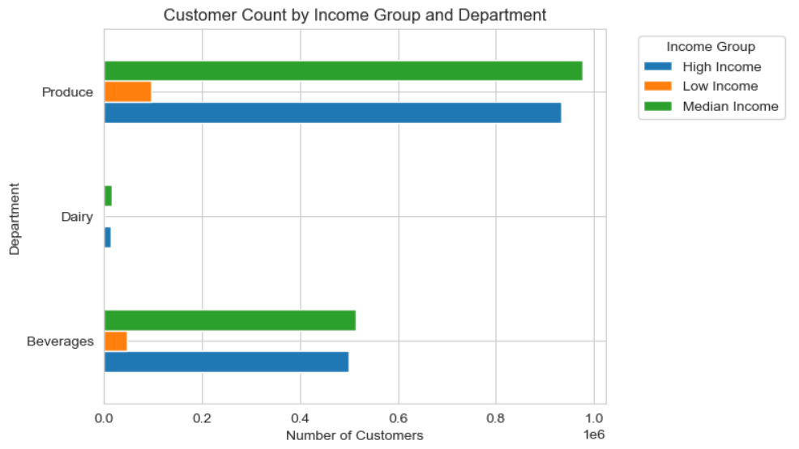
 | Title page

Visualisations

In this tab you should include all the visualtions from Exercises 4.9 and 4.10, alongside the questions from the project brief that they answer. Include any commentary on the relationship between different variables.

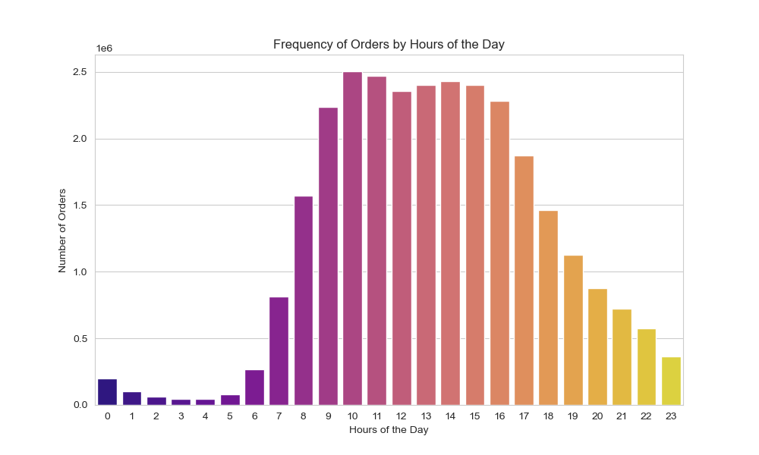
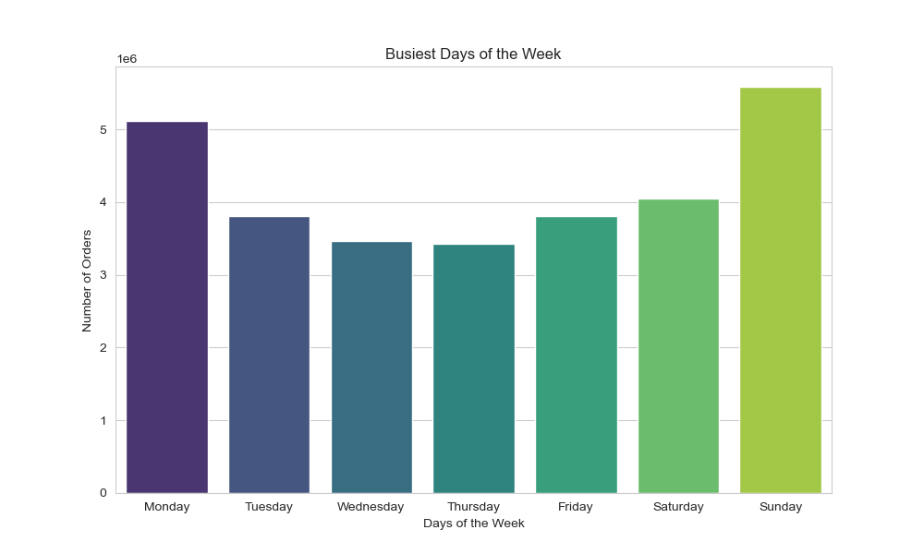
Key Question
The sales team needs to know what the busiest days of the week and hours of the day are (i.e., the days and times with the most orders) in order to schedule ads at times when there are fewer orders.
Comment
The bar chart illustrating the distribution of orders by day of the week reveals that Saturday and Sunday are the busiest days, with a noticeable increase in activity over the weekend.
Conversely, Tuesday and Wednesday stand out as the least active days, reflecting a midweek lull. Overall, the data shows a decline in orders from Monday through Wednesday, followed by a gradual rise starting on Thursday.
Analyzing order patterns throughout the day, the peak period is between 10 AM and 3 PM, when the majority of orders are placed. In contrast, the early morning hours from 12 AM to 5 AM see the lowest order activity. Order volumes begin to rise after 5 AM, reaching their peak between 10 AM and 3 PM, before tapering off after 4 PM.

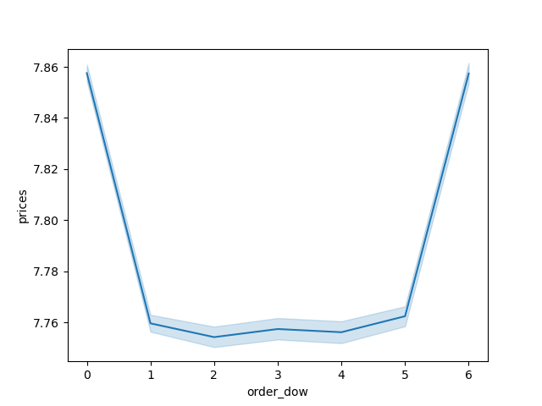
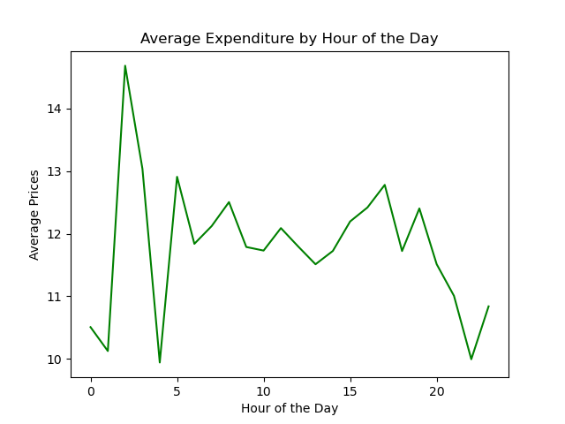
Key Question
They also want to know whether there are particular times of the day when people spend the most money, as this might inform the type of products they advertise at these times.
Comment
The line graph depicting hourly price trends shows that prices reach their highest point early in the morning, between 4 AM and 5 AM. After this peak, there is a gradual decline starting at 6 AM, with a pronounced drop between 7 AM and 8 AM, hitting the lowest point between 9 AM and 10 AM. Post 10 AM, prices start to rise again, fluctuating slightly after 3 PM but generally holding steady. A second price peak occurs between 8 PM and 10 PM, followed by another decline as the night progresses.
The line graph analyzing prices by day of the week reveals that prices are highest on Friday and Saturday. This is followed by a sharp decline on Sunday, which continues into Monday. After Monday, prices gradually increase, maintaining a steady level on Tuesday and Wednesday, and then gradually rising on Thursday, culminating in a significant increase on Friday.


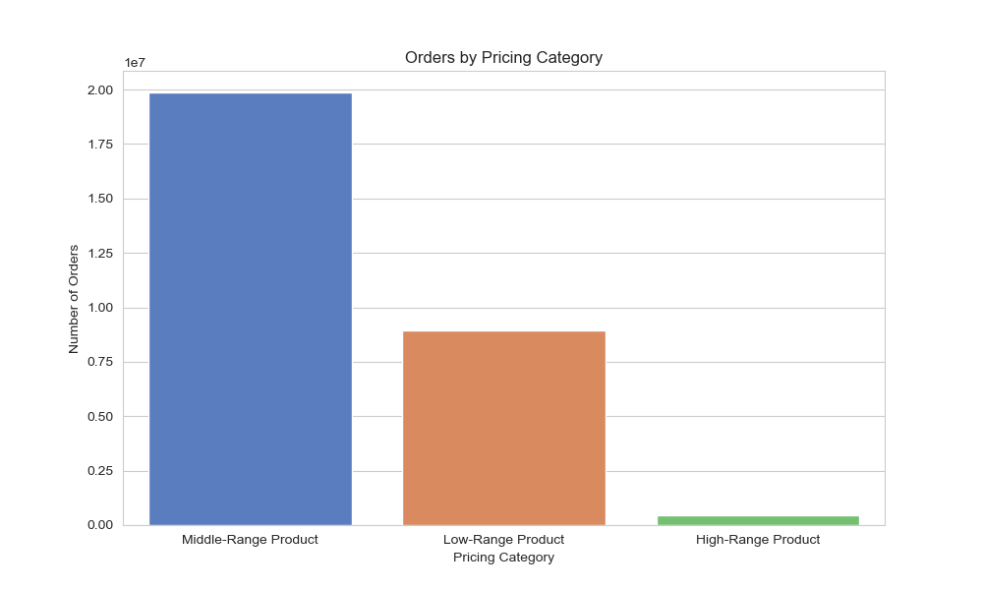
Key Question
Instacart has a lot of products with different price tags. Marketing and sales want to use simpler price range groupings to help direct their efforts.
Comment
Based on both graphs, product prices tend to favor mid-range and low-range categories, with mid-range priced products being the most frequently sold.
High-range products account for the fewest orders by a significant margin.
The left graph indicates that most products fall within the $5-$15 price range, aligning with the observation that mid-range prices are the most common.

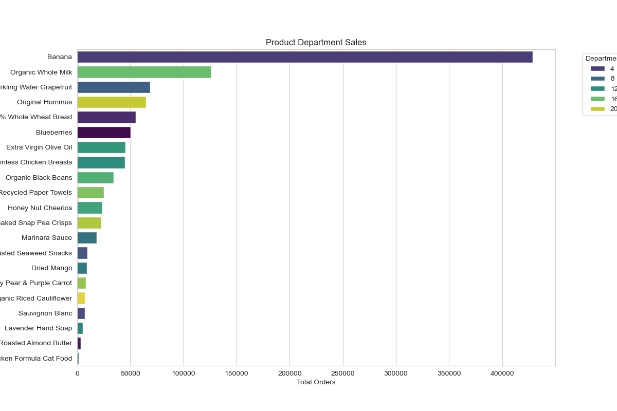
Key Question
Are there certain types of products that are more popular than others? The marketing and sales teams want to know which departments have the highest frequency of product orders
Comment
The bar chart below clearly highlights the best-selling types of products.
The top 10 items include bananas, organic whole milk, sparkling water grapefruit, original hummus, whole wheat bread, blueberries, extra virgin olive oil, boneless chicken breast, organic black beans, and recycled paper towels.
Among these, bananas dominate product sales, significantly outperforming any other item.

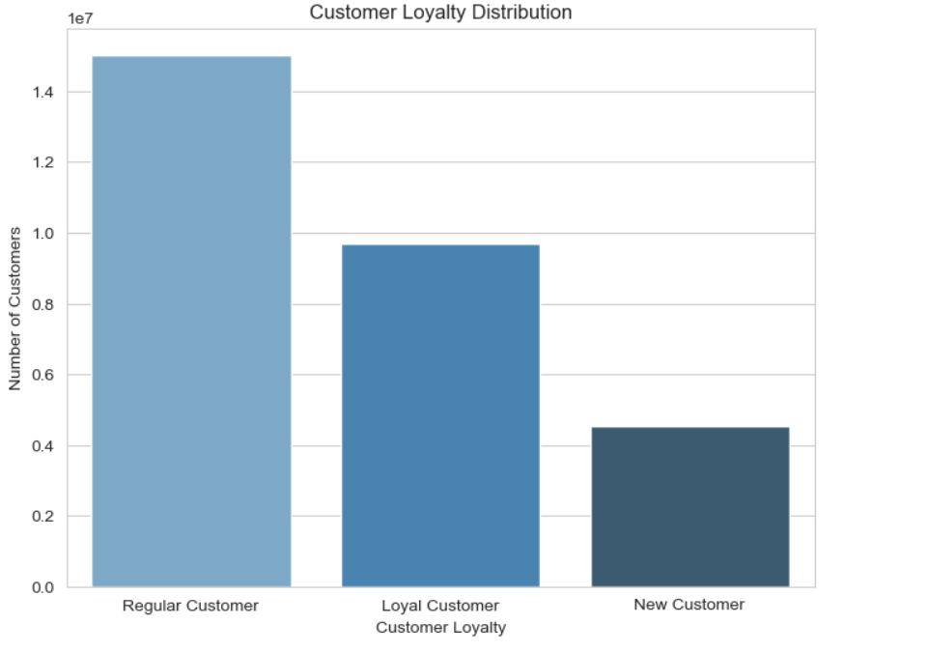
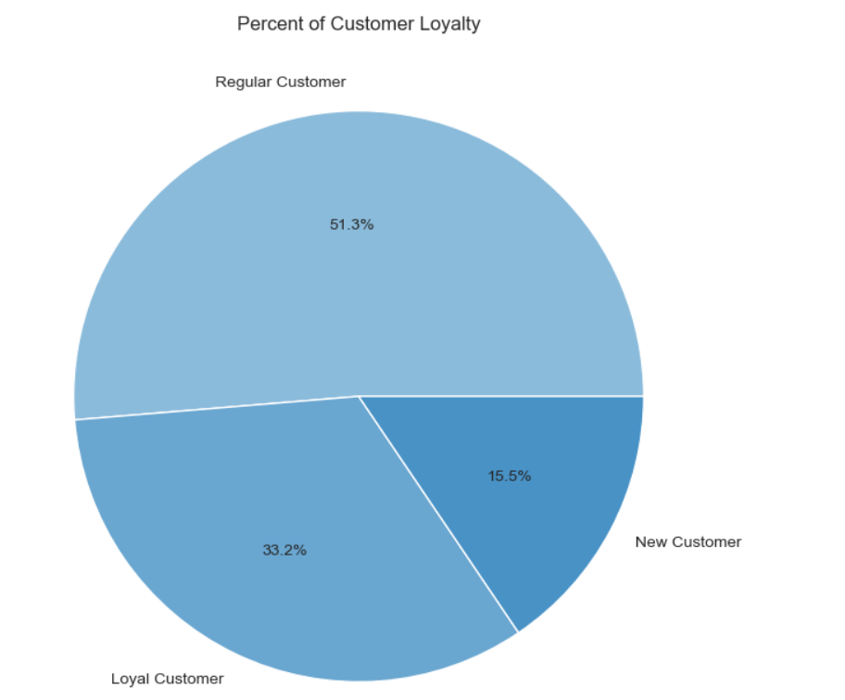
Key Question
What’s the distribution among users in regards to their brand loyalty (i.e., how often do they return to Instacart)?
Comment
The graphs below indicate that approximately half of Instacart customers, or 51.3%, are regular customers who return with relative frequency, though they do not fall into the loyal customer category.
Loyal customers, who return consistently and with high frequency, comprise the second-largest segment at 33.2%, demonstrating a strong base of engaged users.
The smallest segment, making up 15.5%, consists of new customers, reflecting a steady influx of fresh users to the platform.

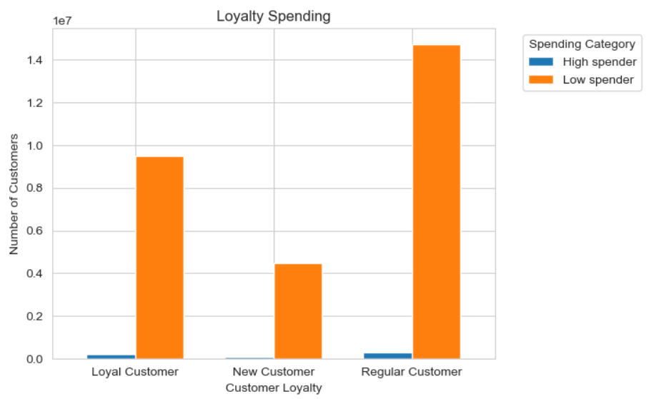
Key Question
Are there differences in ordering habits based on a customer’s loyalty status?
Comment
The graph below reveals that customer loyalty categories are overwhelmingly dominated by low spenders, with very few high spenders in each category.
Among these, regular customers have the highest number of high spenders, but similar to other categories, the proportion remains minimal.

Key Question
Are there differences in ordering habits based on a customer’s region?
Comment
The hourly order distribution by region shows that all regions favor afternoon orders, with the South and West regions leading in volume, while the Northeast has the least.
Regarding customer frequency, all regions see frequent customers as the largest segment, followed by regular customers, indicating a strong return rate. The West and Midwest regions rank second and third in frequent customers after the South, with both regions showing very similar numbers.
In terms of age groups, the South has the highest overall customer base, but across all regions, middle-aged adults are the most common age group.
For income groups, the South continues to lead, with most Instacart customers falling into the middle-income bracket.
When analyzing household size, the trend remains consistent across regions, with small-sized households making up the majority of customers compared to larger family-sized households.

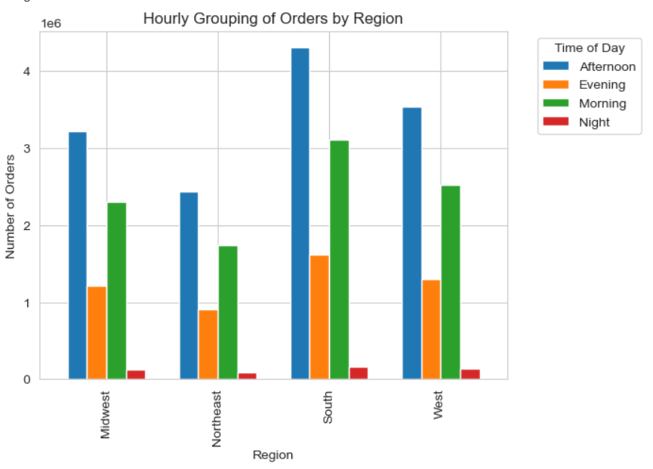
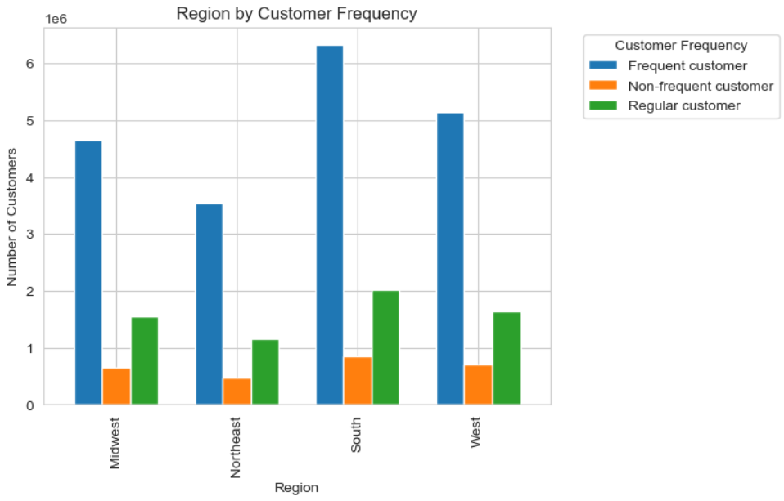
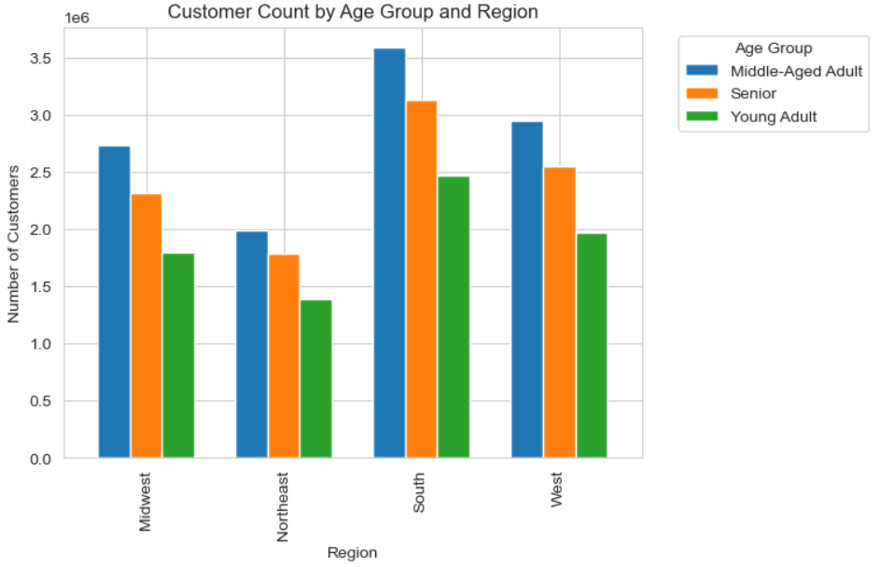

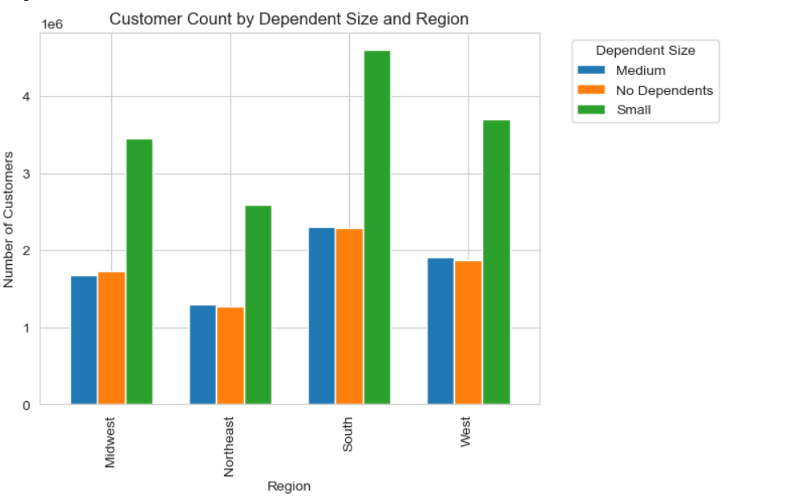
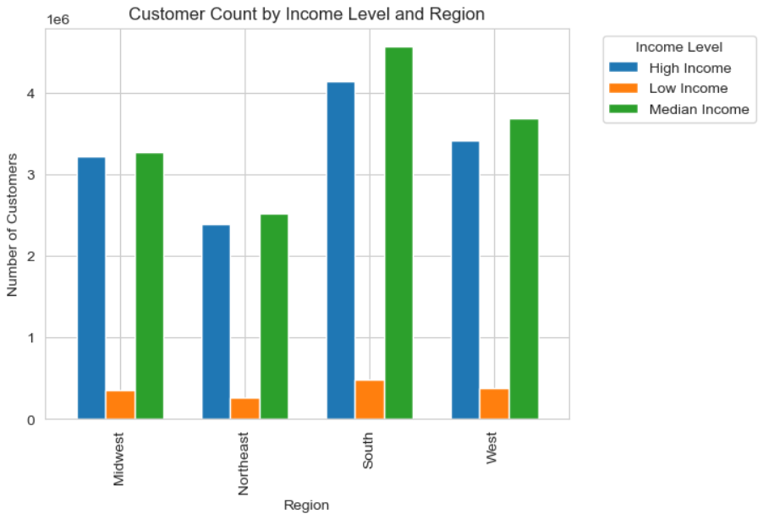

Key Question
Is there a connection between age and family status in terms of ordering habits?
Comment
Analyzing customer age and frequency, Instacart’s most frequent customers are middle-aged adults, followed by seniors, and then young adults.
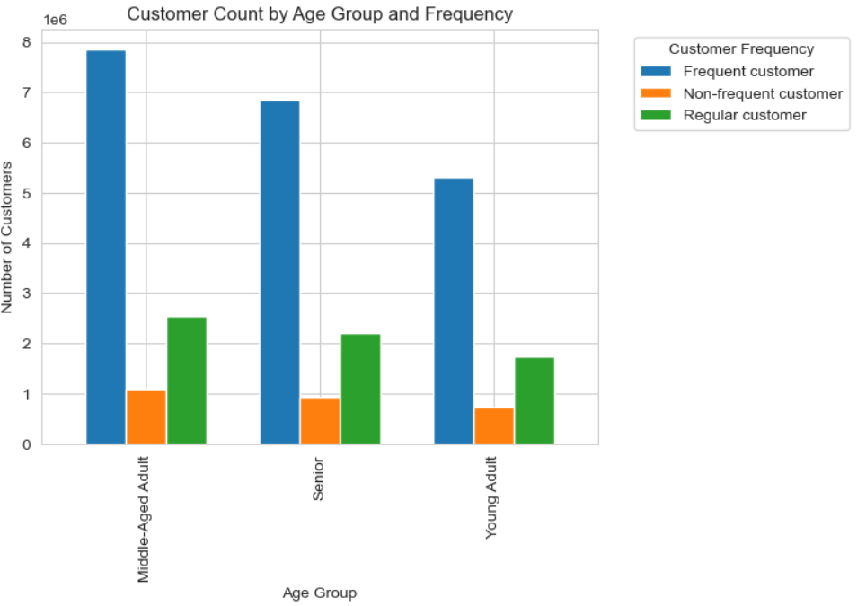
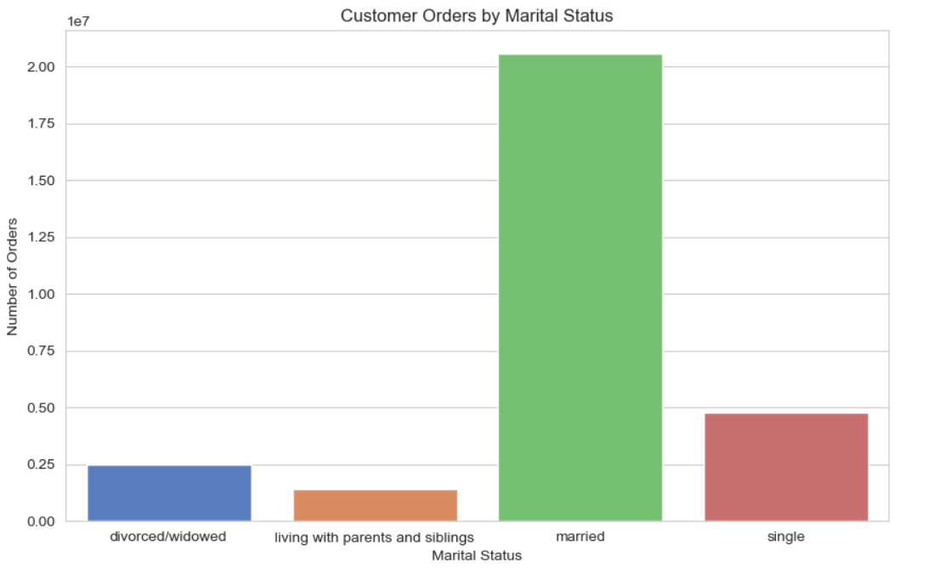
In terms of customer orders by marital status, married customers dominate, placing the most orders, followed by single, and then divorced or widowed customers.
When comparing age to the number of dependents, there doesn't appear to be a clear relationship between a customer's age and the number of dependents in their household.

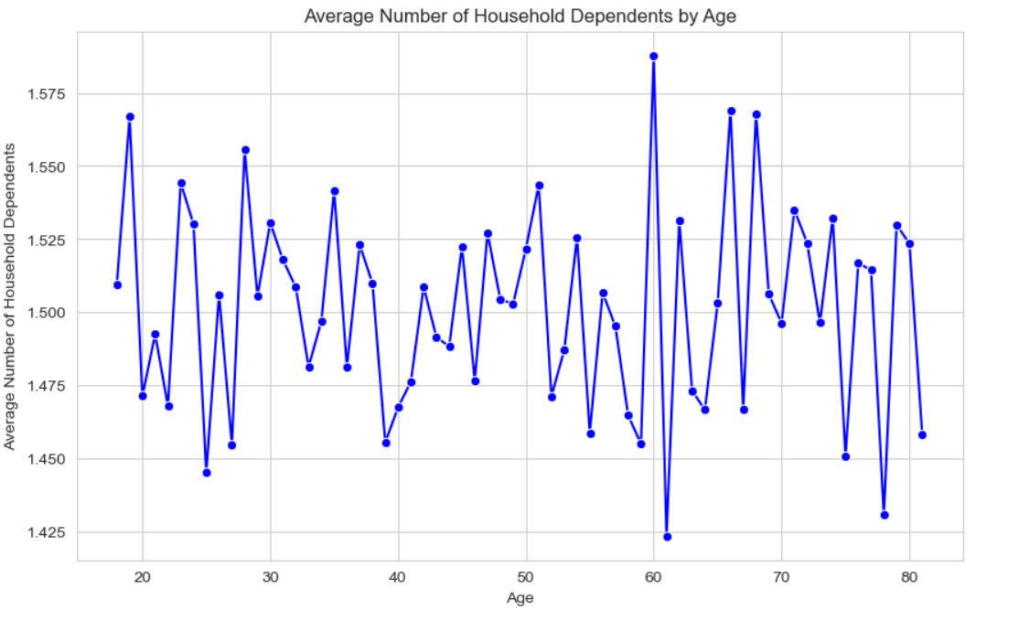

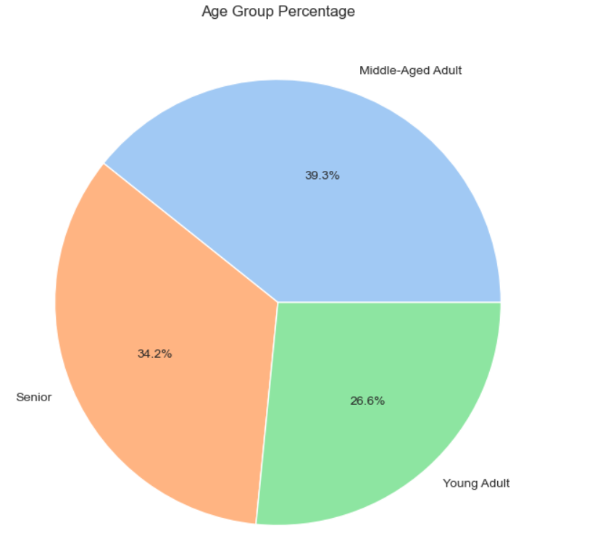
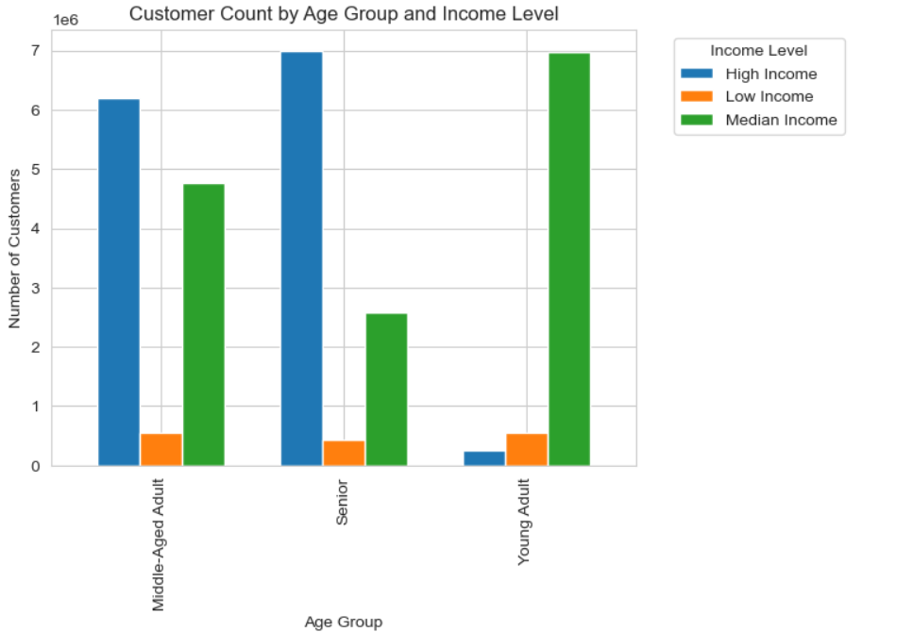
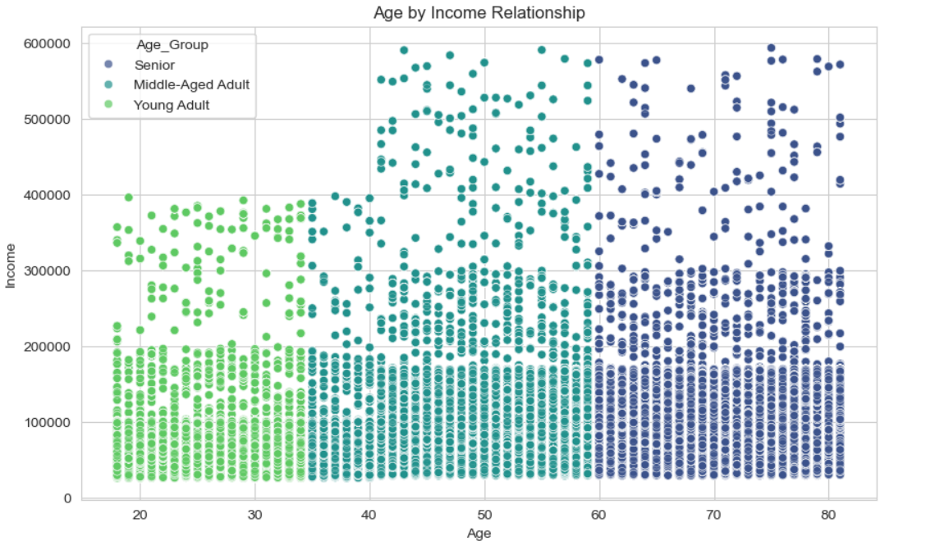
Key Question
What different classifications does the demographic information suggest? Age? Income? Certain types of goods? Family status?
Comment
The age group pie and bar charts reveal that the majority of customers are middle-aged adults, making up 39.3% of the customer base. Seniors follow at 34.2%, with young adults comprising the smallest segment at 26.6%.

The scatterplot indicates that there is no clear relationship between age and income, as the data does not exhibit any consistent patterns of increase or decrease.

Regarding income, most customers belong to the middle-income group, representing 48.9% of the total. The high- and middle-income groups are nearly equal, with high-income customers at 45.9% while the low-income customers at 5.2%.

The chart on dependents shows that most customers are from small households, typically with 0-1 dependent.

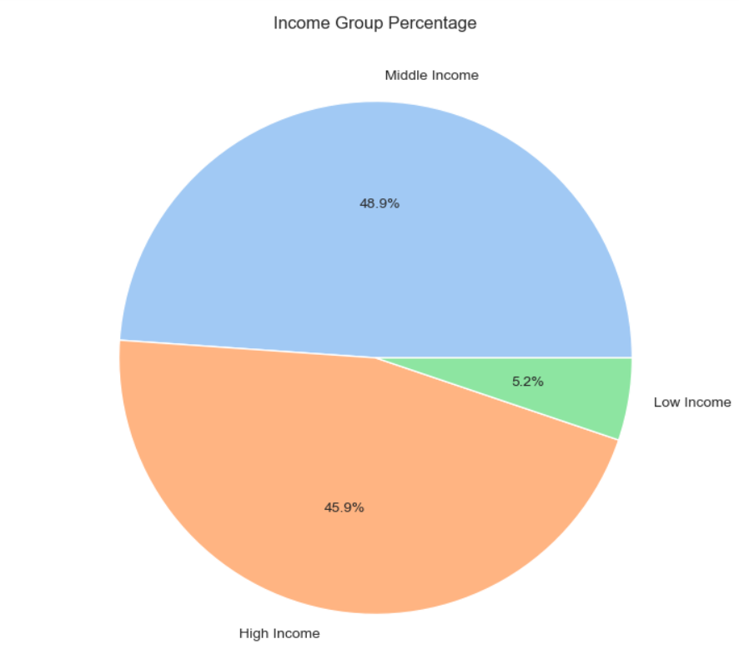

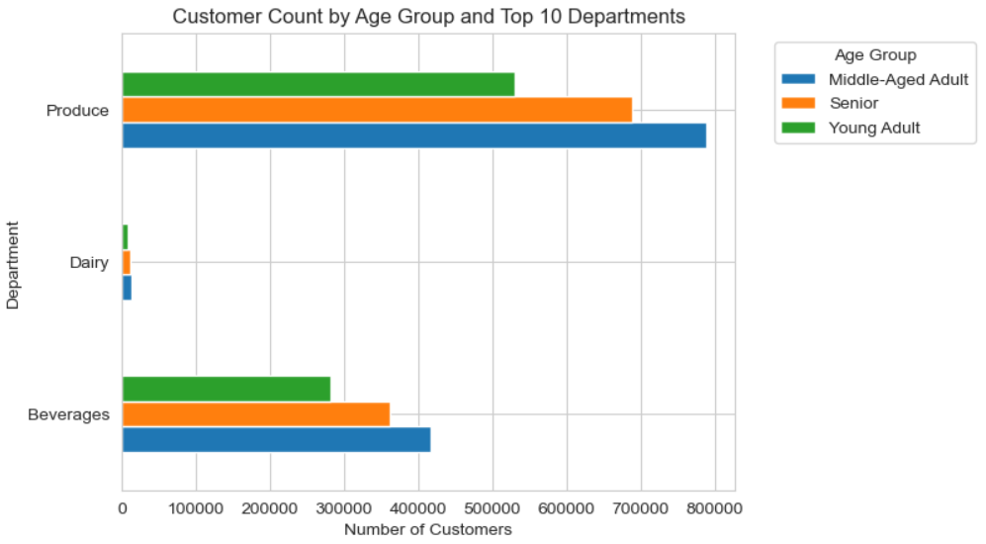
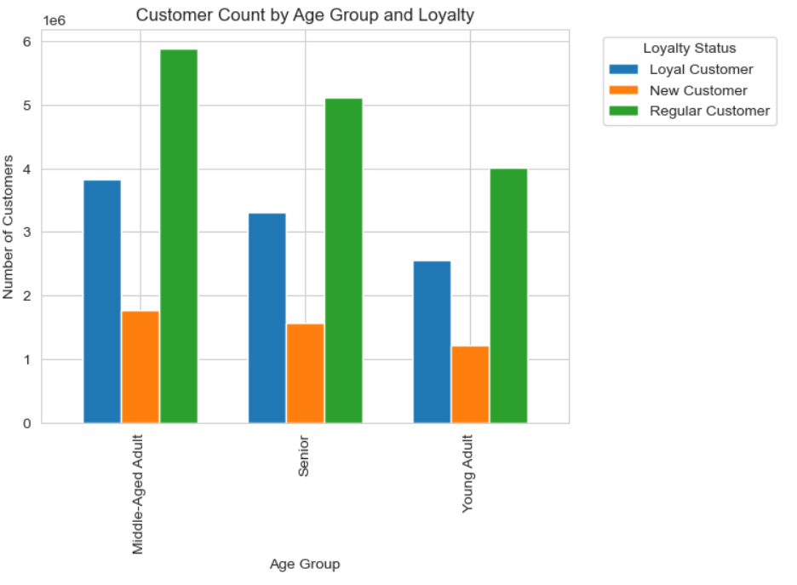
Key Question
What differences can you find in ordering habits of different customer profiles? Consider the price of orders, the frequency of orders, the products customers are ordering, and anything else you can think of.
Comment
The age group profile shows that middle-aged customers lead in sales across all product departments, with produce being the top-selling category. This group also has the highest number of loyalty flag customers, with regular customers ranking first and loyal customers following closely behind.
The income group profile indicates that middle-income customers dominate department sales, with high-income customers taking the second spot and low-income customers ranking last. While low-income customers generally make fewer purchases, they closely trail high-income customers in several departments and even surpass them in alcohol department sales.

7. Recommendations
 |  | Title page

Recommendations

In this tab you should include any recommendations you would made to Instcart in terms of their marketing strategy based on the questions posed in the brief. Every key question has been covered in the Tasks of the Exercises - here you need to add an item - a visualisation or table/crosstable that is showing the answer in the data, acompanied by a comment from you. Please, list the questions below and add the answer underneath.

Key Question | Recommendations
What days of the week and hours of the day are busiest? | The peak activity times are on Saturday and Sunday between 8 AM and 4 PM, while the slowest period is on Wednesday between 2 AM and 5 AM. Therefore, Instacart should schedule ads on Wednesdays from 6 AM to 8 AM and from 5 PM to 10 PM to maximize visibility. Scheduling ads earlier than 6 AM or later than 10 PM would likely be less effective, as many people may still be asleep or winding down for the night.
What times of the day do people spend the most money? | Customers spend the most money between 8 AM and 4 PM, with spending peaking at 10 AM. Therefore, Instacart should prioritize advertising specific products during these peak hours. Additionally, offering early morning promotions, such as early bird discounts, on slower days like Tuesday and Wednesday could help boost sales during these typically quieter periods.
Are there certain types of products that are more popular than others? | The top five product categories—bananas, organic whole milk, sparkling water grapefruit, original hummus, and whole wheat bread—are the most popular. To maintain customer interest and engagement, Instacart should offer special promotions on these products. Additionally, consider introducing incentives for poorly performing departments to encourage purchases and boost overall sales in those areas.
What’s the distribution among users in regards to their brand loyalty (i.e., how often do they return to Instacart)? | Instacart should focus on converting its steady stream of new customers into regular or even loyal customers by offering promotional welcome incentives. To encourage regular customers to become loyal customers, Instacart can increase engagement by offering targeted discount incentives.
Are there differences in ordering habits based on a customer's loyalty status? | Middle-income adults are Instacart's most frequent customers, while young adults are the least frequent. Therefore, Instacart should focus on advertising mid-range products to adult and senior customers. To encourage higher spending, Instacart could develop enhanced loyalty rewards or better incentives, such as bonus points redeemable on future orders, offering greater benefits to customers who spend more.
Are there differences in ordering habits based on a customer's region? | Although the Northeast region currently lags in all factors, it shows potential. Increase engagement with this market to drive more revenue and sales in the region. Develop targeted marketing strategies for small households with 0-1 dependents, focusing on products that cater to their needs. Create tailored bulk product advertisements to encourage larger households to make family-sized orders. Prioritize marketing efforts toward middle-aged adults and middle-income customers, who represent a significant portion of the customer base. Additionally, design specific campaigns for seniors, young adults, and customers in both high and low-income brackets to ensure broader reach and engagement across all demographics.
Is there a connection between age and family status in terms of ordering habits? | Concentrate marketing strategies on middle-aged adults, as they represent the most frequent customer group. Develop targeted strategies for married couples and single customers, as these groups place the highest number of orders. This approach aligns with the earlier focus on small households with 0-1 dependents and can also appeal to divorced or widowed customers, optimizing marketing costs. Introduce promotions for family-sized products to attract married customers who may have more than two dependents, encouraging larger purchases within this segment.
What differences can you find in ordering habits of different customer profiles? consider the price of orders, frequency of orders, products customers are ordering, and anything else you can think of. | Target High-Income Seniors: Focus marketing efforts on high-income seniors across all regions. This group consistently shows high spending in the grocery category, making them ideal for loyalty programs, premium offerings, and exclusive deals. Expand Niche Categories: Boost the visibility and appeal of underperforming departments like "Personal Care" and "Pets & Babies" by offering targeted promotions or introducing new products that cater to specific needs, particularly for low-income or niche customer segments. Develop Regional Marketing Strategies: Tailor campaigns to regional differences, emphasizing high-income and senior profiles in the South and West. In regions where these customer profiles are underrepresented, explore new product offerings or localized promotions to drive growth. Cater to Small Families: Enhance convenience for small families by offering solutions like meal kits, bulk buying options, or subscription services. These strategies could increase purchase frequency and basket size among this consistently reliable customer base.

